Council Maint Tasks Mt Kanigan
 |  |  |  |  | COUNCIL SITE MAINTEANCE TASKS
 |  |  |  |  |  |  |  |  | ALERT CANISTER CONFIGURATION
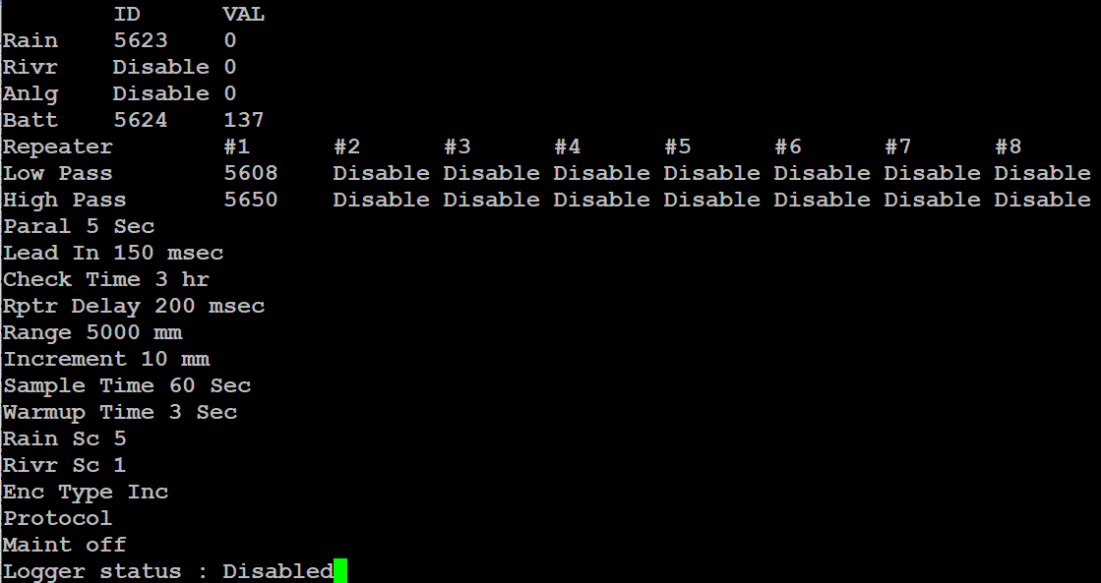

Rainfall |  |  |  | Water Level |  | Comms and Power
Instrument type |  |  | HS | Instrument type |  | Comms | Equipment | Power
TBRG 0.2mm |  |  |  |  |  | Alert1 | Other | Mains
Conditon |  |  |  | Conditon |  | Conditon | Conditon | Conditon
Poor (add comments below) |  |  |  | Poor (add comments below) |  | Poor (add comments below) | Good | Good
Owner |  |  |  | Owner |  | Owner | Owner | Owner
Council |  |  |  | Bureau |  | Council | Council | Council
Comments |  |  |  | Comments |  | Comments
TBRG is old. Cable to AL canister in rack of Radar building
 |  |  |  | 2012 model F1 5W |  | Receivers 151.5 and 151.95, Decoder

Gauge baords and BM |  |  |  | Contact details |  | Assess and WHS
Gauge Boards present |  |  |  | Council name |  | Comments
No
Conditon of Gauge boards |  |  |  | Council contact name
Good
Owner |  |  |  | Email
Council |  |  |  | Phone #
Bench Mark present |  |  |  | Comments
 | (if yes take photo)
Surved |  |  |  | Landowner contact name
Yes
Comments |  |  |  | Email
 |  |  |  | Phone #
 |  |  |  | Comments

Data Quality Rainfall |  |  |  | Data Quality River Level

On arrival |  | Missing Record |  | On arrival | Non verified

On Departure |  | Good Quality |  | On Departure | Non verified

Comments |  |  |  | Comments

Remarks

